EVD_DOC02-02
Test Case ID | DOC02-01
Test Case Summary

Step # | Test Evidence | Re-Test Evidence (if found Bug/Issue)
1

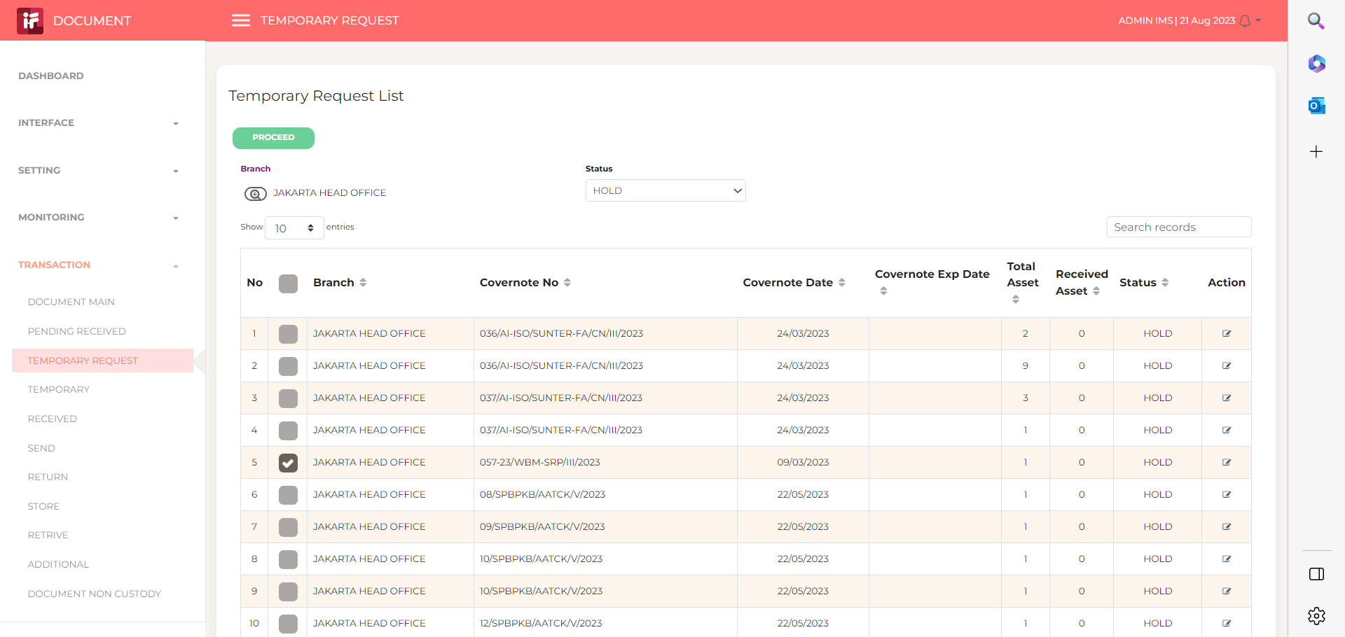

2
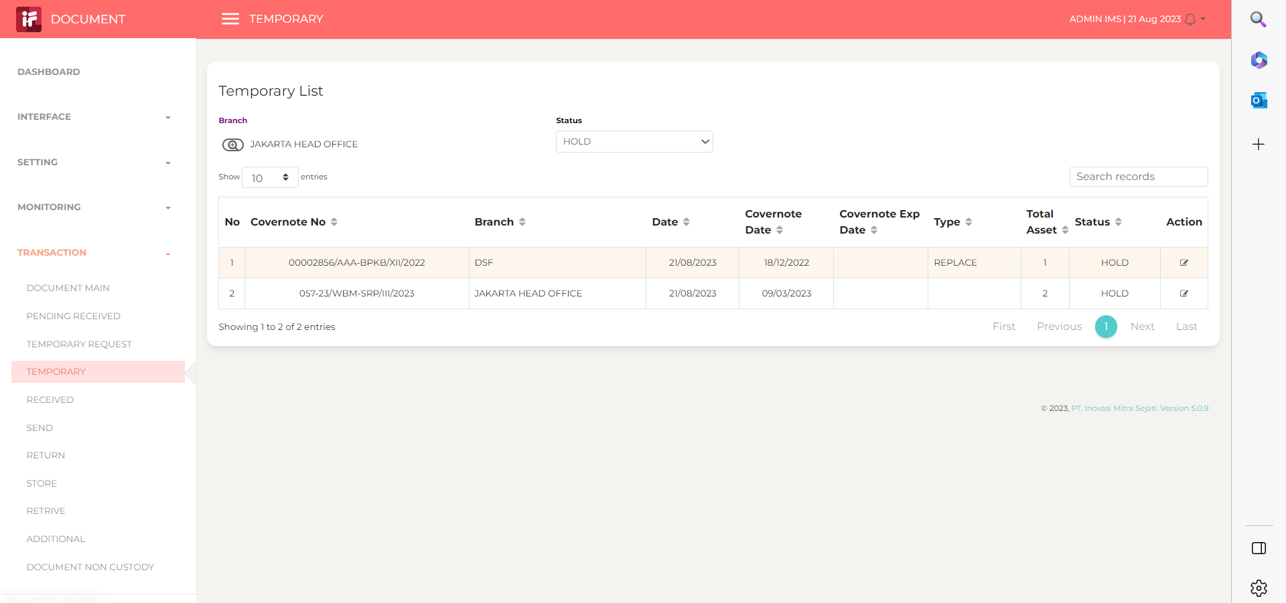

3

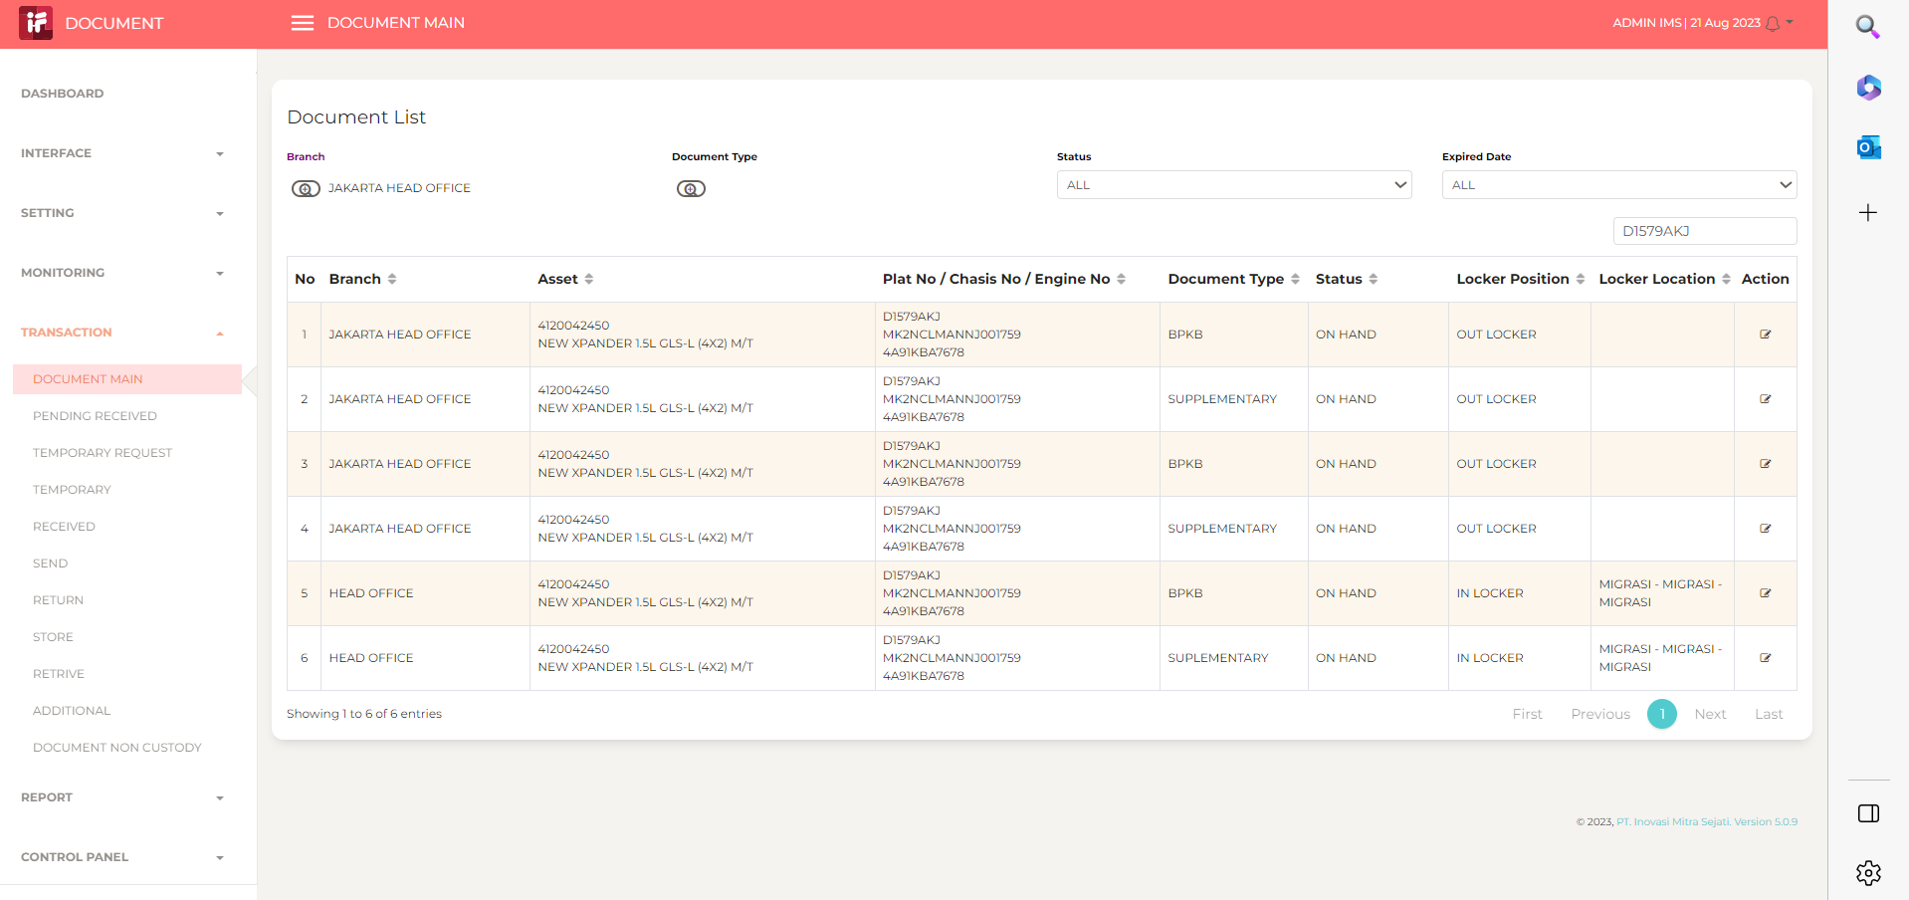

4
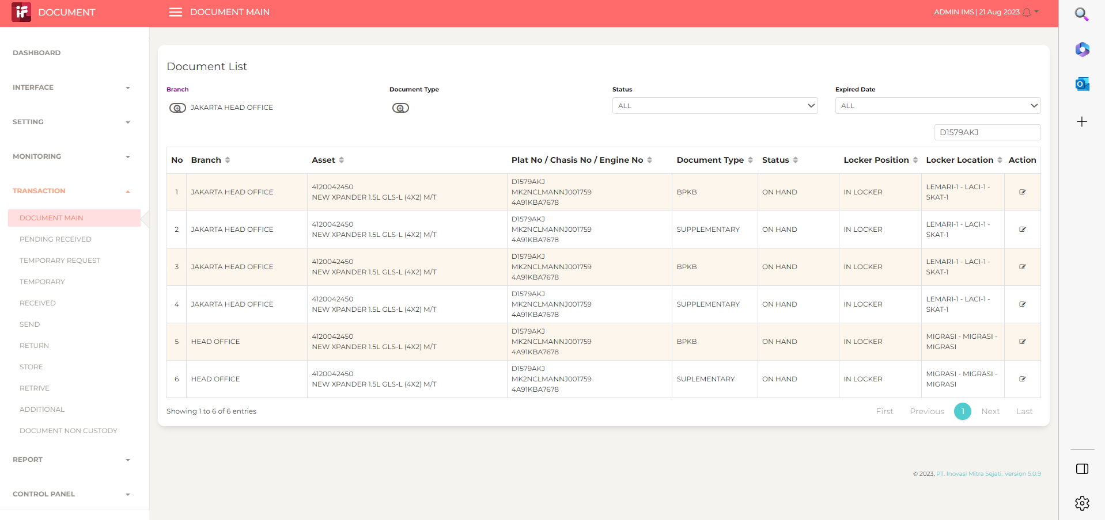

5

6

7

8

9

10

11

13

14

15

16

17

18

19

20

21

22

36

37

38

39

41

43

44

45

46

